Test Execution
Requirement ID | TC_ID | TC Title/ Objective | Test Steps | Test Data | Expected Result | Actual Result | Execution Status | Attachment | Environment | Tester Name
Req_Registration_US1 | TC_001 | Verify Error Message When First Name Field Is Left Blank During Registration | 1. Open the registration page. 2. Leave the First Name field blank. 3. Enter valid data for other fields. 4. Click "Register." | First Name: "" Last Name: "Ahmed" Address: "244 New Cairo" City: "Cairo" State:"Cairo" Zip Code: "47771" Phone: "01009042154" SSN: "123456789" Username: "zeyad123" Password: "Zeyad@123" Confirm Password: "Zeyad@123" | An error occurs, and registration fails. | 1-show message error "First name is required". 2-registration failed | passed |  | Windows 11, version 23H2 Firefox 137.0.2 (64-bit) | Ahmed Mahmoud
Req_Registration_US1 | TC_002 | Verify Error When First Name Contains Numbers | 1. Open the registration page. 2. Enter a First Name with numbers. 3. Enter valid data for other fields. 4. Click "Register." | First Name: "Zeyad123" Last Name: "Ahmed" Address: "244 New Cairo" City: "Cairo" State: "Cairo" Zip Code: "47771" Phone: "01009042154" SSN: "123456789" Username: "zeyad123" Password: "Zeyad@123" Confirm Password: "Zeyad@123"; | An error occurs, and registration fails. | 1-successfully registration 2-Go to the next page | failed | 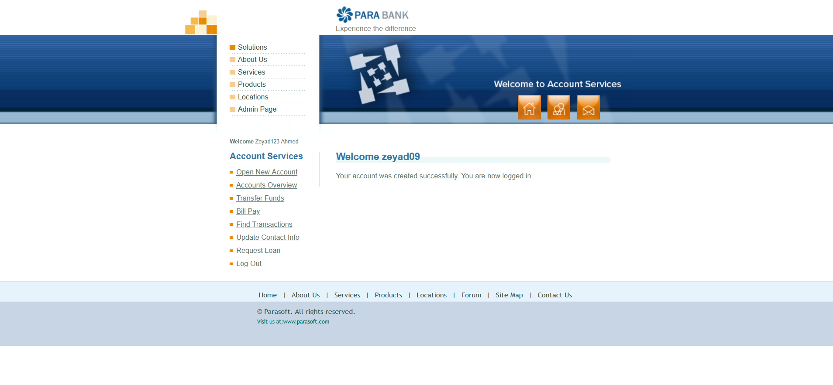 | Windows 11, version 23H2 Firefox 137.0.2 (64-bit) | Ahmed Mahmoud
Req_Registration_US1 | TC_003 | Verify Error When First Name Contains Special Characters | 1. Open the registration page. 2. Enter a First Name with special characters. 3. Enter valid data for other fields. 4. Click "Register." | First Name: "Zeyad@" Last Name: "Ahmed" Address: "244 New Cairo" City: "Cairo" State: "Cairo" Zip Code: "47771" Phone: "01009042154" SSN: "123456789" Username: "zeyad1234" Password: "Zeyad@123" Confirm Password: "Zeyad@123" | An error occurs, and registration fails. | 1-successfully registration 2-Go to the next page" | failed | 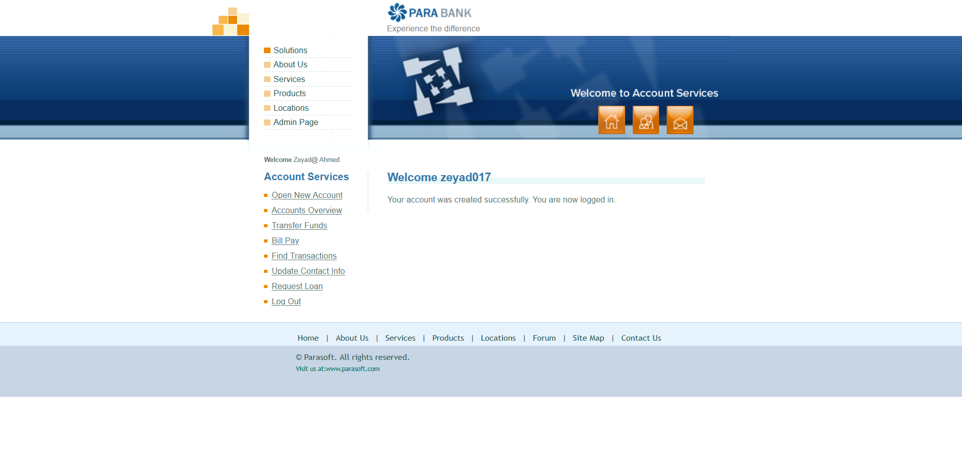 | Windows 11, version 23H2 Firefox 137.0.2 (64-bit) | Ahmed Mahmoud
Req_Registration_US1 | TC_004 | Verify Error When First Name Exceeds Maximum Length | 1. Open the registration page. 2. Enter a First Name longer than 50 characters. 3. Enter valid data for other fields. 4. Click "Register." | First Name: "ZeyadZeyadZeyadZeyadZeyadZeyadZeyadZeyadZeyadZeyad" Last Name: "Ahmed" Address: "244 New Cairo" City: "Cairo" State: "Cairo" Zip Code: "47771" Phone: "01009042154" SSN: "123456789" Username: "zeyad123" Password: "Zeyad@123" Confirm Password: "Zeyad@123" | An error occurs, and registration fails. | 1-show message error "This username already exists". 2-registration failed" | failed | 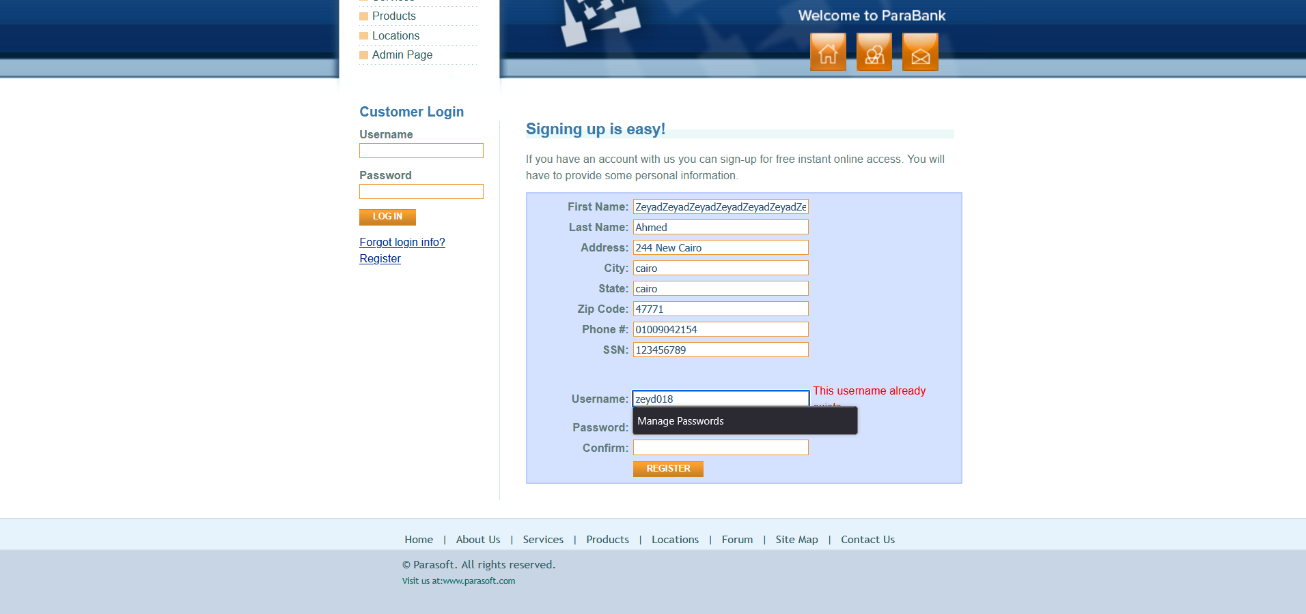 | Windows 11, version 23H2 Firefox 137.0.2 (64-bit) | Ahmed Mahmoud
Req_Registration_US1 | TC_005 | Verify Error When Last Name Field Is Left Blank During Registration | 1. Open the registration page. 2. Leave the Last Name field blank. 3. Enter valid data for other fields. 4. Click "Register." | First Name: "Zeyad" Last Name: "" Address: "244 New Cairo" City: "Cairo" State:"Cairo" Zip Code: "47771" Phone: "01009042154" SSN: "123456789" Username: "zeyad123" Password: "Zeyad@123" Confirm Password: "Zeyad@123" | An error occurs, and registration fails. | 1-show message error "First name is required". 2-registration failed | passed |  | Windows 11, version 23H2 Firefox 137.0.2 (64-bit) | Ahmed Mahmoud
Req_Registration_US1 | TC_006 | Verify Error When Last Name Contains Numbers | 1. Open the registration page. 2. Enter a Last Name with numbers (e.g., "Ahmed123"). 3. Enter valid data for other fields. 4. Click "Register." | First Name: "Zeyad" Last Name: "Ahmed123" Address: "244 New Cairo" City: "Cairo" State: "Cairo" Zip Code: "47771" Phone: "01009042154" SSN: "123456789" Username: "zeyad123" Password: "Zeyad@123" Confirm Password: "Zeyad@123" | An error occurs, and registration fails. | 1-successfully registration 2-Go to the next page | failed |  | Windows 11, version 23H2 Firefox 137.0.2 (64-bit) | Ahmed Mahmoud
Req_Registration_US1 | TC_007 | Verify Error When Last Name Contains Special Characters | 1. Open the registration page. 2. Enter a Last Name with special characters . 3. Enter valid data for other fields. 4. Click "Register." | First Name: "Zeyad" Last Name: "Ahmed@" Address: "244 New Cairo" City: "Cairo" State: "Cairo" Zip Code: "47771" Phone: "01009042154" SSN: "123456789" Username: "zeyad123" Password: "Zeyad@123" Confirm Password: "Zeyad@123" | An error occurs, and registration fails. | 1-successfully registration 2-Go to the next page | failed |  | Windows 11, version 23H2 Firefox 137.0.2 (64-bit) | Ahmed Mahmoud
Req_Registration_US1 | TC_008 | Verify Error When Last Name Exceeds Maximum Length | 1. Open the registration page. 2. Enter a Last Name longer than 50 characters. 3. Enter valid data for other fields. 4. Click "Register." | First Name: "Zeyad" Last Name: "AhmedAhmedAhmedAhmedAhmedAhmedAhmedAhmedAhmedAhmed" Address: "244 New Cairo" City: "Cairo" State: "Cairo" Zip Code: "47771" Phone: "01009042154" SSN: "123456789" Username: "zeyad123" Password: "Zeyad@123" Confirm Password: "Zeyad@123" | An error occurs, and registration fails. | 1-show message error "This username already exists.". 2-registration failed | failed | 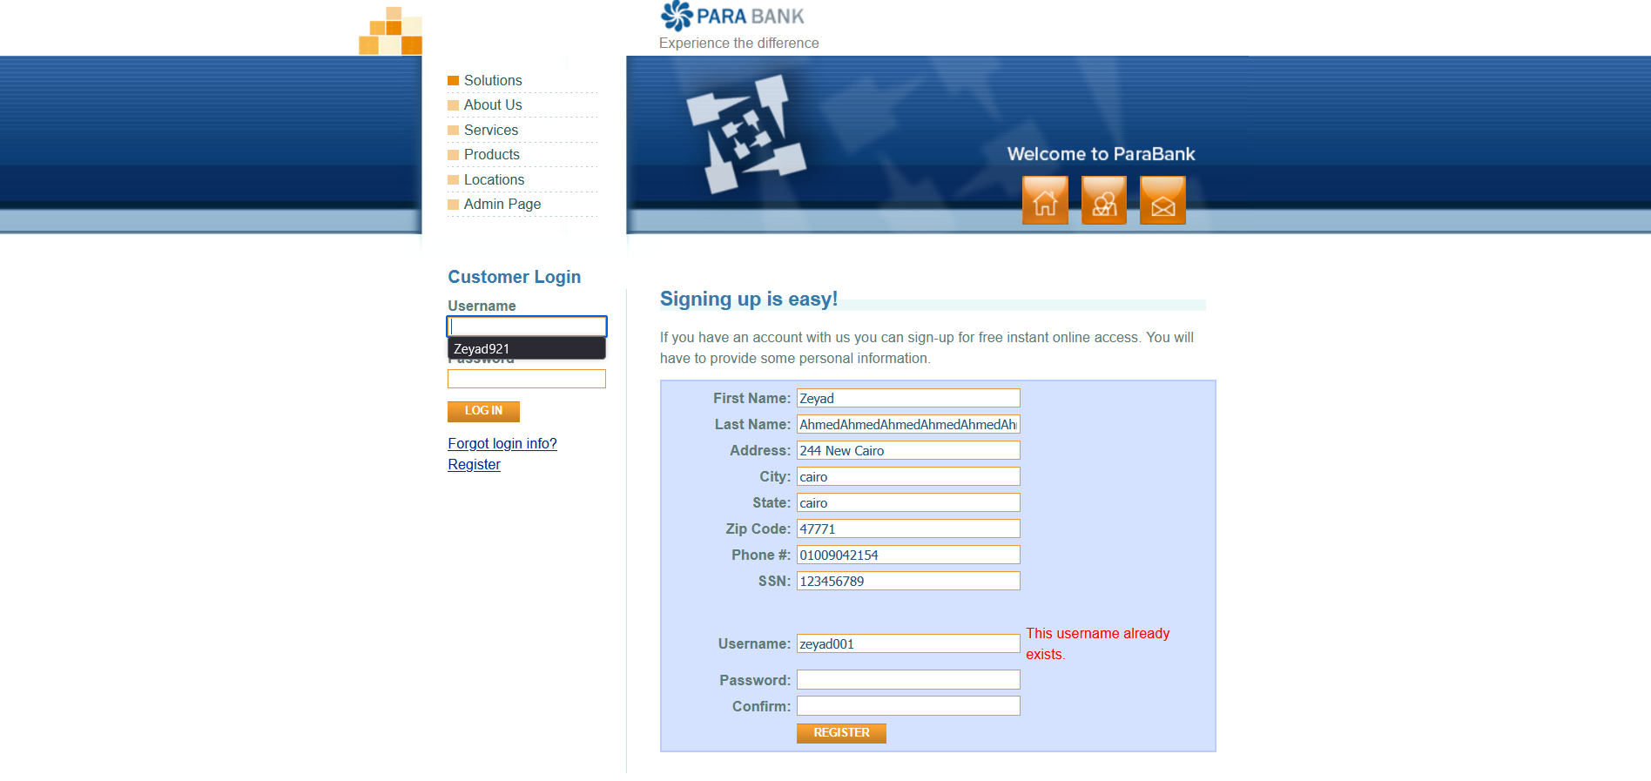 | Windows 11, version 23H2 Firefox 137.0.2 (64-bit) | Ahmed Mahmoud
Req_Registration_US1 | TC_009 | Verify Error When Address Field Is Left Blank During Registration | 1. Open the registration page. 2. Leave the Address field blank. 3. Enter valid data for other fields. 4. Click "Register." | First Name: "Zeyad" Last Name: "Ahmed" Address: "" City: "Cairo" State:"Cairo" Zip Code: "47771" Phone: "01009042154" SSN: "123456789" Username: "zeyad123" Password: "Zeyad@123" Confirm Password: "Zeyad@123" | An error occurs, and registration fails. | 1-show message error "Address is required.". 2-registration failed | passed |  | Windows 11, version 23H2 Firefox 137.0.2 (64-bit) | Ahmed Mahmoud
Req_Registration_US1 | TC_010 | Verify Error When Address Exceeds Maximum Length | 1. Open the registration page. 2. Enter an Address longer than 100 characters. 3. Enter valid data for other fields. 4. Click "Register." | First Name: "Zeyad" Last Name: "Ahmed" Address: "244 New Cairo 244 New Cairo 244 New Cairo 244 New Cairo 244 New Cairo 244 New Cairo 244 New Cairo" City: "Cairo" State: "Cairo" Zip Code: "47771" Phone: "01009042154" SSN: "123456789" Username: "zeyad123" Password: "Zeyad@123" Confirm Password: "Zeyad@123" | An error occurs, and registration fails. | 1-show message error " This username already exists.". 2-registration failed | failed | 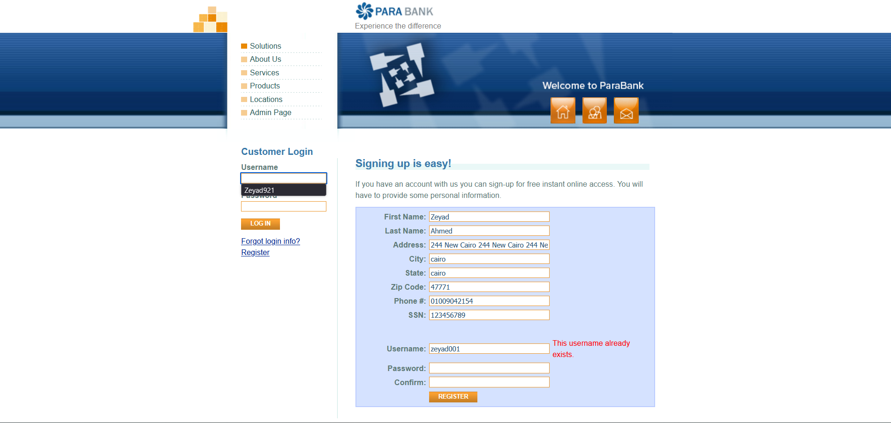 | Windows 11, version 23H2 Firefox 137.0.2 (64-bit) | Ahmed Mahmoud
Req_Registration_US1 | TC_011 | Verify Error When City Field Is Left Blank During Registration | 1. Open the registration page. 2. Leave the City field blank. 3. Enter valid data for other fields. 4. Click "Register." | First Name: "Zeyad" Last Name: "Ahmed" Address: "244 New Cairo" City: "" State:"Cairo" Zip Code: "47771" Phone: "01009042154" SSN: "123456789" Username: "zeyad123" Password: "Zeyad@123" Confirm Password: "Zeyad@123" | An error occurs, and registration fails. | 1-show message error "City is required". 2-registration failed | passed |  | Windows 11, version 23H2 Firefox 137.0.2 (64-bit) | Ahmed Mahmoud
Req_Registration_US1 | TC_012 | Verify Error When City Exceeds Maximum Length | 1. Open the registration page. 2. Enter a City longer than 100 characters. 3. Enter valid data for other fields. 4. Click "Register." | First Name: "Zeyad" Last Name: "Ahmed" Address: "244 New Cairo" City: "CairoCairoCairoCairoCairoCairoCairoCairoCairoCairoCairoCairoCairoCairoCairoCairoCairoCairoCairoCairo" State: "Cairo" Zip Code: "47771" Phone: "01009042154" SSN: "123456789" Username: "zeyad123" Password: "Zeyad@123" Confirm Password: "Zeyad@123" | An error occurs, and registration fails. | 1-show message error "This username already exists.". 2-registration failed | failed | 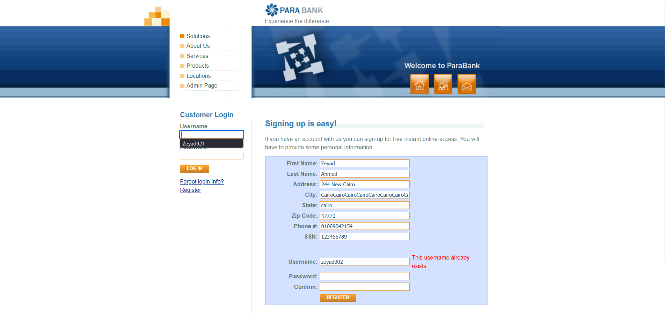 | Windows 11, version 23H2 Firefox 137.0.2 (64-bit) | Ahmed Mahmoud
Req_Registration_US1 | TC_013 | Verify Error When State Contains Numbers | 1. Open the registration page.<br> 2. Enter a State with numbers . 3. Enter valid data for other fields. 4. Click "Register." | First Name: "Zeyad" Last Name: "Ahmed" Address: "244 New Cairo" City: "Cairo" State: "Cairo123" Zip Code: "47771" Phone: "01009042154" SSN: "123456789" Username: "zeyad123" Password: "Zeyad@123" Confirm Password: "Zeyad@123" | An error occurs, and registration fails. | 1-successfully registration 2-Go to the next page | failed |  | Windows 11, version 23H2 Firefox 137.0.2 (64-bit) | Ahmed Mahmoud
Req_Registration_US1 | TC_014 | Verify Error When State Contains Special Characters | 1. Open the registration page. 2. Enter a State with special characters . 3. Enter valid data for other fields. 4. Click "Register." | First Name: "Zeyad" Last Name: "Ahmed" Address: "244 New Cairo" City: "Cairo" State: "Cairo@" Zip Code: "47771" Phone: "01009042154" SSN: "123456789" Username: "zeyad123" Password: "Zeyad@123" Confirm Password: "Zeyad@123" | An error occurs, and registration fails. | 1-successfully registration 2-Go to the next page | failed |  | Windows 11, version 23H2 Firefox 137.0.2 (64-bit) | Ahmed Mahmoud
Req_Registration_US1 | TC_015 | Verify Error When Zip Code Field Is Left Blank During Registration | 1. Open the registration page. 2. Leave the Zip Code field blank. 3. Enter valid data for other fields. 4. Click "Register." | First Name: "Zeyad" Last Name: "Ahmed" Address: "244 New Cairo" City: "Cairo" State:"Cairo" Zip Code: "" Phone: "01009042154" SSN: "123456789" Username: "zeyad123" Password: "Zeyad@123" Confirm Password: "Zeyad@123" | An error occurs, and registration fails. | 1-show message error "Zip Code is required". 2-registration failed" | passed |  | Windows 11, version 23H2 Firefox 137.0.2 (64-bit) | Ahmed Mahmoud
Req_Registration_US1 | TC_016 | Verify Error When ZIP Code Contains Letters | 1. Open the registration page. 2. Enter a ZIP Code with letters . 3. Enter valid data for other fields. 4. Click "Register." | First Name: "Zeyad" Last Name: "Ahmed" Address: "244 New Cairo" City: "Cairo" State: "Cairo" Zip Code: "4777A" Phone: "01009042154" SSN: "123456789" Username: "zeyad123" Password: "Zeyad@123" Confirm Password: "Zeyad@123" | An error occurs, and registration fails. | 1-successfully registration 2-Go to the next page | failed |  | Windows 11, version 23H2 Firefox 137.0.2 (64-bit) | Ahmed Mahmoud
Req_Registration_US1 | TC_017 | Verify Error When ZIP Code Contains Special Characters | 1. Open the registration page. 2. Enter a ZIP Code with special characters . 3. Enter valid data for other fields. 4. Click "Register." | First Name: "Zeyad" Last Name: "Ahmed" Address: "244 New Cairo" City: "Cairo" State: "Cairo" Zip Code: "4777@" Phone: "01009042154" SSN: "123456789" Username: "zeyad123" Password: "Zeyad@123" Confirm Password: "Zeyad@123" | An error occurs, and registration fails. | 1-successfully registration 2-Go to the next page | failed |  | Windows 11, version 23H2 Firefox 137.0.2 (64-bit) | Ahmed Mahmoud
Req_Registration_US1 | TC_018 | Verify Error When ZIP Code Is Less Than 5 Digits | 1. Open the registration page. 2. Enter a ZIP Code shorter than 5 digits. 3. Enter valid data for other fields. 4. Click "Register." | First Name: "Zeyad" Last Name: "Ahmed" Address: "244 New Cairo" City: "Cairo" State: "Cairo" Zip Code: "4777" Phone: "01009042154" SSN: "123456789" Username: "zeyad123" Password: "Zeyad@123" Confirm Password: "Zeyad@123" | An error occurs, and registration fails. | 1-successfully registration 2-Go to the next page | failed |  | Windows 11, version 23H2 Firefox 137.0.2 (64-bit) | Ahmed Mahmoud
Req_Registration_US1 | TC_019 | Verify Error When ZIP Code Exceeds 10 Digits | 1. Open the registration page. 2. Enter a ZIP Code longer than 10 digits . 3. Enter valid data for other fields. 4. Click "Register." | First Name: "Zeyad" Last Name: "Ahmed" Address: "244 New Cairo" City: "Cairo" State: "Cairo" Zip Code: "47771123456" Phone: "01009042154" SSN: "123456789" Username: "zeyad123" Password: "Zeyad@123" Confirm Password: "Zeyad@123" | An error occurs, and registration fails. | 1-successfully registration 2-Go to the next page | failed |  | Windows 11, version 23H2 Firefox 137.0.2 (64-bit) | Ahmed Mahmoud
Req_Registration_US1 | TC_020 | Verify Error When Phone Field Is Left Blank During Registration | 1. Open the registration page. 2. Leave the Phone field blank. 3. Enter valid data for other fields. 4. Click "Register." | First Name: "Zeyad" Last Name: "Ahmed" Address: "244 New Cairo" City: "Cairo" State:"Cairo" <br>Zip Code: "47771" Phone: "" SSN: "123456789" Username: "zeyad123" Password: "Zeyad@123" Confirm Password: "Zeyad@123" | An error occurs, and registration fails. | 1-successfully registration 2-Go to the next page | failed |  | Windows 11, version 23H2 Firefox 137.0.2 (64-bit) | Ahmed Mahmoud
Req_Registration_US1 | TC_021 | Verify Error When Phone Contains Letters | 1. Open the registration page. 2. Enter a Phone number with letters . 3. Enter valid data for other fields. 4. Click "Register." | First Name: "Zeyad" Last Name: "Ahmed" Address: "244 New Cairo" City: "Cairo" State: "Cairo" Zip Code: "47771" Phone: "0100A042154" SSN: "123456789" Username: "zeyad123" Password: "Zeyad@123" Confirm Password: "Zeyad@123" | An error occurs, and registration fails. | 1-successfully registration 2-Go to the next page | failed |  | Windows 11, version 23H2 Firefox 137.0.2 (64-bit) | Ahmed Mahmoud
Req_Registration_US1 | TC_022 | Verify Error When Phone Contains Special Characters | 1. Open the registration page. 2. Enter a Phone number with special characters . 3. Enter valid data for other fields. 4. Click "Register." | First Name: "Zeyad" Last Name: "Ahmed" Address: "244 New Cairo" City: "Cairo" State: "Cairo" Zip Code: "47771" Phone: "0100@042154" SSN: "123456789" Username: "zeyad123" Password: "Zeyad@123" Confirm Password: "Zeyad@123" | An error occurs, and registration fails. | 1-successfully registration 2-Go to the next page | failed |  | Windows 11, version 23H2 Firefox 137.0.2 (64-bit) | Ahmed Mahmoud
Req_Registration_US1 | TC_023 | Verify Error When Phone Is Shorter Than 10 Digits | 1. Open the registration page. 2. Enter a Phone number shorter than 10 digits . 3. Enter valid data for other fields. 4. Click "Register." | First Name: "Zeyad" Last Name: "Ahmed" Address: "244 New Cairo" City: "Cairo" State: "Cairo" Zip Code: "47771" Phone: "01000421" SSN: "123456789" Username: "zeyad123" Password: "Zeyad@123" Confirm Password: "Zeyad@123" | An error occurs, and registration fails. | 1-successfully registration 2-Go to the next page | failed |  | Windows 11, version 23H2 Firefox 137.0.2 (64-bit) | Ahmed Mahmoud
Req_Registration_US1 | TC_024 | Verify Error When Phone Is Longer Than 15 Digits | 1. Open the registration page. 2. Enter a Phone number longer than 15 digits . 3. Enter valid data for other fields. 4. Click "Register." | First Name: "Zeyad" Last Name: "Ahmed" Address: "244 New Cairo" City: "Cairo" State: "Cairo" Zip Code: "47771" Phone: "010006678421566689" SSN: "123456789" Username: "zeyad123" Password: "Zeyad@123" Confirm Password: "Zeyad@123" | An error occurs, and registration fails. | 1-show message error "This username already exists.". 2-registration failed" | failed |  | Windows 11, version 23H2 Firefox 137.0.2 (64-bit) | Ahmed Mahmoud
Req_Registration_US1 | TC_025 | Verify Error When SSN Field Is Left Blank During Registration | 1. Open the registration page. 2. Leave the SSN field blank. 3. Enter valid data for other fields. 4. Click "Register." | First Name: "Zeyad" Last Name: "Ahmed" Address: "244 New Cairo" City: "Cairo" State: "Cairo" Zip Code: "47771" Phone: "01009042154" SSN: " " Username: "zeyad123" Password: "Zeyad@123" Confirm Password: "Zeyad@123" | An error occurs, and registration fails. | 1-show message error "Social Security Number is required". 2-registration failed" | passed |  | Windows 11, version 23H2 Firefox 137.0.2 (64-bit) | Ahmed Mahmoud
Req_Registration_US1 | TC_026 | Verify Error When SSN Contains Letters | 1. Open the registration page. 2. Enter a SSN with letters . 3. Enter valid data for other fields. 4. Click "Register." | First Name: "Zeyad" Last Name: "Ahmed" Address: "244 New Cairo" City: "Cairo" State: "Cairo" Zip Code: "47771" Phone: "01009042154" SSN: "123456A789" Username: "zeyad123" Password: "Zeyad@123" Confirm Password: "Zeyad@123" | An error occurs, and registration fails. | 1-successfully registration 2-Go to the next page | failed |  | Windows 11, version 23H2 Firefox 137.0.2 (64-bit) | Ahmed Mahmoud
Req_Registration_US1 | TC_027 | Verify Error When SSN Contains Special Characters | 1. Open the registration page. 2. Enter a SSN with special characters . 3. Enter valid data for other fields. 4. Click "Register." | First Name: "Zeyad" Last Name: "Ahmed" Address: "244 New Cairo" City: "Cairo" State: "Cairo" Zip Code: "47771" Phone: "01009042154" SSN: "123456@789" Username: "zeyad123" Password: "Zeyad@123" Confirm Password: "Zeyad@123" | An error occurs, and registration fails. | 1-successfully registration 2-Go to the next page | failed |  | Windows 11, version 23H2 Firefox 137.0.2 (64-bit) | Ahmed Mahmoud
Req_Registration_US1 | TC_028 | Verify Error When SSN Exceeds Maximum Length (9 digits) | 1. Open the registration page. 2. Enter a SSN longer than 9 digits. 3. Enter valid data for other fields. 4. Click "Register." | First Name:"Zeyad" Last Name: "Ahmed" Address: "244 New Cairo" City: "Cairo" State: "Cairo" Zip Code: "47771" Phone: "01009042154" SSN: "12345678889" Username: "zeyad123" Password: "Zeyad@123" Confirm Password: "Zeyad@123" | An error occurs, and registration fails. | 1-successfully registration 2-Go to the next page | failed |  | Windows 11, version 23H2 Firefox 137.0.2 (64-bit) | Ahmed Mahmoud
Req_Registration_US1 | TC_029 | Verfiy Error When SSN Is Shorter Than 9 Digits | 1. Open the registration page. 2. Enter a SSN shorter than 9 digits. 3. Enter valid data for other fields. 4. Click "Register." | First Name:"Zeyad" Last Name: "Ahmed" Address: "244 New Cairo" City: "Cairo" State: "Cairo" Zip Code: "47771" Phone: "01009042154" SSN: "12345678" Username: "zeyad123" Password: "Zeyad@123" Confirm Password: "Zeyad@123" | An error occurs, and registration fails. | 1-successfully registration 2-Go to the next page | failed |  | Windows 11, version 23H2 Firefox 137.0.2 (64-bit) | Ahmed Mahmoud
Req_Registration_US1 | TC_030 | Verify Error When Username Field Is Left Blank During Registration | 1. Open the registration page. 2. Leave the Username field blank. 3. Enter valid data for other fields. 4. Click "Register." | First Name: "Zeyad" Last Name: "Ahmed" Address: "244 New Cairo" City: "Cairo" State: "Cairo" Zip Code: "47771" Phone: "01009042154" SSN: "123456789" Username: " " Password: "Zeyad@123" Confirm Password: "Zeyad@123" | An error occurs, and registration fails. | 1-show message error "Username is required.". 2-registration failed" | passed |  | Windows 11, version 23H2 Firefox 137.0.2 (64-bit) | Ahmed Mahmoud
Req_Registration_US1 | TC_031 | Verfiy Error When Username Is Shorter Than 5 Characters | 1. Open the registration page. 2. Enter a Username shorter than 5 characters. 3. Enter valid data for other fields. 4. Click "Register." | First Name: "Zeyad" Last Name: "Ahmed" Address: "244 New Cairo" City: "Cairo" State: "Cairo" Zip Code: "47771" Phone: "01009042154" SSN: "123456789" Username: "Zd12 " Password: "Zeyad@123" Confirm Password: "Zeyad@123" | An error occurs, and registration fails. | 1-successfully registration 2-Go to the next page | failed |  | Windows 11, version 23H2 Firefox 137.0.2 (64-bit) | Ahmed Mahmoud
Req_Registration_US1 | TC_032 | Verfiy Error When Username Is Longer Than 15 Characters | 1. Open the registration page. 2. Enter a Username Longer than 15 characters. 3. Enter valid data for other fields. 4. Click "Register." | First Name: "Zeyad" Last Name: "Ahmed" Address: "244 New Cairo" City: "Cairo" State: "Cairo" Zip Code: "47771" Phone: "01009042154" SSN: "123456789" Username: "Zeyad01009042154" Password: "Zeyad@123" Confirm Password: "Zeyad@123" | An error occurs, and registration fails. | 1-successfully registration 2-Go to the next page | failed |  | Windows 11, version 23H2 Firefox 137.0.2 (64-bit) | Ahmed Mahmoud
Req_Registration_US1 | TC_033 | Verify Error When Username Contains Special Characters | 1. Open the registration page. 2. Enter a Username with special characters . 3. Enter valid data for other fields. 4. Click "Register." | First Name: "Zeyad" Last Name: "Ahmed" Address: "244 New Cairo" City: "Cairo" State: "Cairo" Zip Code: "47771" Phone: "01009042154" SSN: "123456789" Username: "zeyad#123" Password: "Zeyad@123" Confirm Password: "Zeyad@123" | An error occurs, and registration fails. | 1-successfully registration 2-Go to the next page | failed |  | Windows 11, version 23H2 Firefox 137.0.2 (64-bit) | Ahmed Mahmoud
Req_Registration_US1 | TC_034 | Verify Error When Password Field Is Left Blank During Registration | 1. Open the registration page. 2. Leave the Password field blank. 3. Enter valid data for other fields. 4. Click "Register." | First Name: "Zeyad" Last Name: "Ahmed" Address: "244 New Cairo" City: "Cairo" State: "Cairo" Zip Code: "47771" Phone: "01009042154" SSN: "123456789" Username: "Zeyad921" Password: " " Confirm Password: "Zeyad@123" | An error occurs, and registration fails. | 1-show message error "Password is required". 2-registration failed | passed |  | Windows 11, version 23H2 Firefox 137.0.2 (64-bit) | Ahmed Mahmoud
Req_Registration_US1 | TC_035 | Verfiy Error When Password Is Shorter Than 8 Characters | 1. Open the registration page. 2. Enter a Password shorter than 8 characters. 3. Enter valid data for other fields. 4. Click "Register." | First Name: "Zeyad" Last Name: "Ahmed" Address: "244 New Cairo" City: "Cairo" State: "Cairo" Zip Code: "47771" Phone: "01009042154" SSN: "123456789" Username: "Zeyad12 " Password: "Ze@123" Confirm Password: "Ze@123" | An error occurs, and registration fails. | 1-successfully registration 2-Go to the next page | failed |  | Windows 11, version 23H2 Firefox 137.0.2 (64-bit) | Ahmed Mahmoud
Req_Registration_US1 | TC_036 | Verify Error When Confirm Field Is Left Blank During Registration | 1. Open the registration page. 2. Leave the Confirm field blank. 3. Enter valid data for other fields. 4. Click "Register." | First Name: "Zeyad" Last Name: "Ahmed" Address: "244 New Cairo" City: "Cairo" State: "Cairo" Zip Code: "47771" Phone: "01009042154" SSN: "123456789" Username: "Zeyad921" Password: "Zeyad@123" Confirm Password: " " | An error occurs, and registration fails. | 1-show message error "Password confirmation is required.". 2-registration failed | passed |  | Windows 11, version 23H2 Firefox 137.0.2 (64-bit) | Ahmed Mahmoud
Req_Registration_US1 | TC_037 | Verfiy Error When Confirm Field Isn't Match The Password Field | 1. Open the registration page. 2. Make the Confirm field isn't match password field. 3. Enter valid data for other fields. 4. Click "Register." | First Name: "Zeyad" Last Name: "Ahmed" Address: "244 New Cairo" City: "Cairo" State: "Cairo" Zip Code: "47771" Phone: "01009042154" SSN: "123456789" Username: "Zeyad921" Password: "Zeyad@123" Confirm Password: "Ahmed@123" | An error occurs, and registration fails. | 1-show message error " Isn't Match The Password ". 2-registration failed | passed |  | Windows 11, version 23H2 Firefox 137.0.2 (64-bit) | Ahmed Mahmoud
Req_Registration_US1 | TC_038 | Verify Successful Registration When All Criteria Are Met | 1. Open the registration page. 2. Enter valid data for all fields. 3. Ensure all fields meet the required constraints. 4. Click "Register." | First Name: "Zeyad" Last Name: "Ahmed" Address: "244 New Cairo" City: "Cairo" State:"Cairo" Zip Code: "47771" Phone: "01009042154" SSN: "123456789" Username: "zeyad123" Password: "Zeyad@123" Confirm Password: "Zeyad@123" | Registration is successful, and the user is redirected to the login page or dashboard. | 1-successfully registration 2-Go to the next page | passed |  | Windows 11, version 23H2 Firefox 137.0.2 (64-bit) | Ahmed Mahmoud
Req_Log In_US1 | TC_039 | Verify Error When Username Field Is Left Blank During Log In | 1. Leave the username field empty. 2. Enter a valid password. 3. Click LOG IN. | Username: "" Password: "Zeyad@123" | Error message: "The username and password could not be verified." | 1-show message error " Please enter a username and password. ". 2-log in failed | passed |  | Windows 11, version 23H2 Firefox 137.0.2 (64-bit) | Ahmed Mahmoud
Req_Log In_US1 | TC_040 | Verfiy Error When Username Is Shorter Than 5 Characters | 1. Enter Username is shorter than 5 characters. 2. Enter a valid password. 3. Click LOG IN. | Username: "Zd1" Password: "Zeyad@123" | Error message: "The username and password could not be verified." | 1-show message error " The username and password could not be verified. ". 2-log in failed | passed |  | Windows 11, version 23H2 Firefox 137.0.2 (64-bit) | Ahmed Mahmoud
Req_Log In_US1 | TC_041 | Verfiy Error When Username Is Longer Than 15 Characters | 1. Enter Username is Longer than 15 characters. 2. Enter a valid password. 3. Click LOG IN. | Username: "Zeyad01009042154" Password: "Zeyad@123" | Error message: "The username and password could not be verified." | 1-show message error " An internal error has occurred and has been logged. ". 2-log in failed | failed | 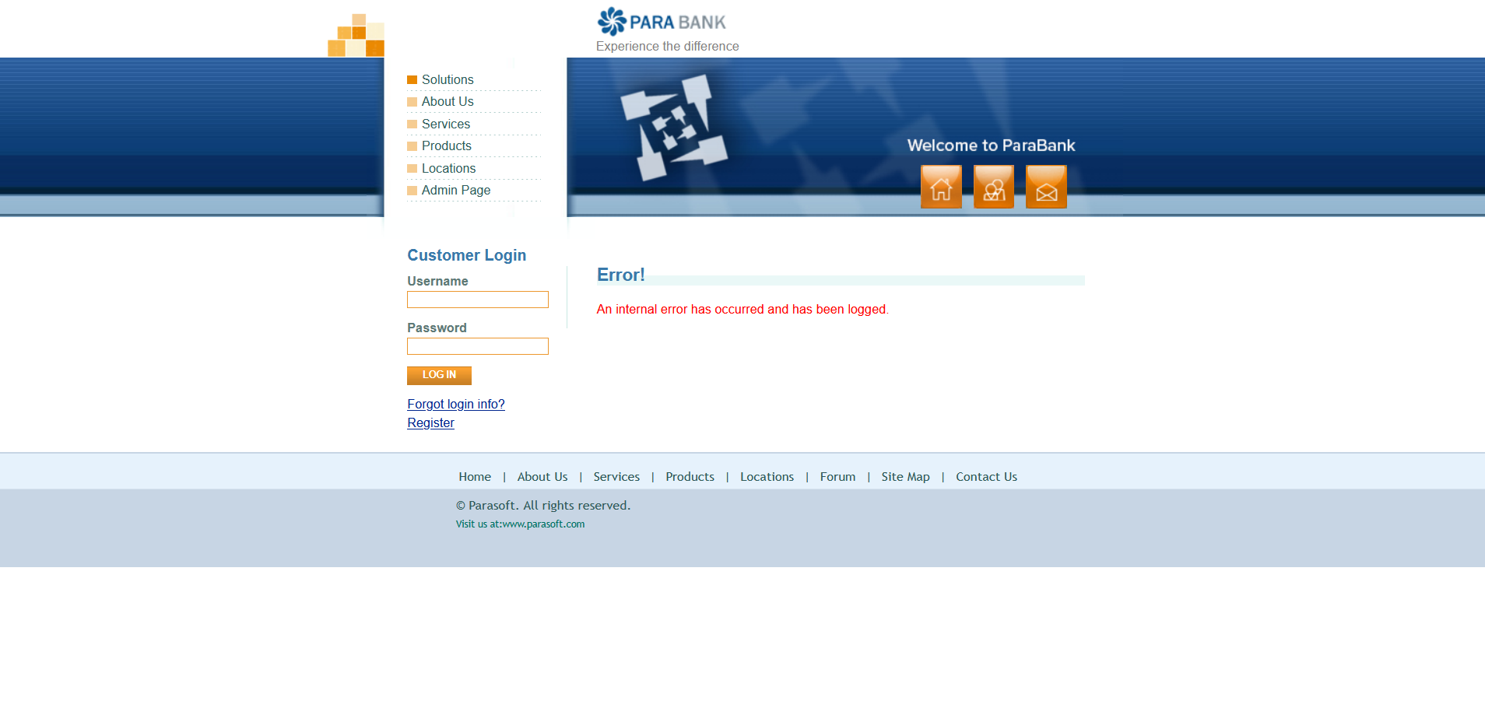 | Windows 11, version 23H2 Firefox 137.0.2 (64-bit) | Ahmed Mahmoud
Req_Log In_US1 | TC_042 | Verify Error When Username Contains Special Characters | 1. Enter Username contains special characters. 2. Enter a valid password. 3. Click LOG IN. | Username: "Zeyad#010" Password: "Zeyad@123" | Error message: "The username and password could not be verified." | 1-show message error " The username and password could not be verified. ". 2-log in failed | passed |  | Windows 11, version 23H2 Firefox 137.0.2 (64-bit) | Ahmed Mahmoud
Req_Log In_US1 | TC_043 | Verify Error When Password Field Is Left Blank During Log In | 1. Enter a valid Username . 2. Leave password field empty. 3. Click LOG IN. | Username: "Zeyad921" Password: " " | Error message: "The username and password could not be verified." | 1-show message error " Please enter a username and password. ". 2-log in failed | passed |  | Windows 11, version 23H2 Firefox 137.0.2 (64-bit) | Ahmed Mahmoud
Req_Log In_US1 | TC_044 | Verfiy Error When Password Is Shorter Than 8 Characters | 1. Enter a valid Username . 2. Enter Password is shorter than 8 characters. 3. Click LOG IN. | Username: "Zeyad921" Password: "Zeyad#1" | Error message: "The username and password could not be verified." | 1-show message error " The username and password could not be verified. ". 2-log in failed | passed |  | Windows 11, version 23H2 Firefox 137.0.2 (64-bit) | Ahmed Mahmoud
Req_Log In_US1 | TC_045 | Verify Login with Valid Username and Password | 1. Enter a valid Username . 2. Enter a valid Password. 3. Click LOG IN. | Username: "Zeyad921" Password: "Zeyad@123" | Form should accept input, and the user should be redirected to the next page or receive a success message. | 1-show message error " An internal error has occurred and has been logged. ". 2-log in failed | failed |  | Windows 11, version 23H2 Firefox 137.0.2 (64-bit) | Ahmed Mahmoud
Req_Transfer Funds_US2 | TC_046 | Verify Transfer Funds With amount field with empty value | 1. Login. 2. Navigate to Transfer Funds. 3. Leave amount empty. 4. Select different accounts. 5. Click Transfer. | Amount: " " From: "28218" To: "28219" | Error message: “An internal error has occurred and has been logged.” | 1-show message error " An internal error has occurred and has been logged. ". 2-transfered not successfully | passed |  | Windows 11, version 23H2 Firefox 137.0.2 (64-bit) | Ahmed Mahmoud
Req_Transfer Funds_US2 | TC_047 | Verify Transfer Funds With amount field with non-numeric input | 1. Login. 2. Navigate to Transfer Funds. 3. Enter non-numeric amount value. 4. Select different accounts. 5. Click Transfer. | Amount: "100Z " From: "28218" To: "28219" | Error message: “An internal error has occurred and has been logged.” | 1-show message error " An internal error has occurred and has been logged. ". 2-transfered not successfully | passed |  | Windows 11, version 23H2 Firefox 137.0.2 (64-bit) | Ahmed Mahmoud
Req_Transfer Funds_US2 | TC_048 | Verify Transfer Funds With amount field with zero value | 1. Login. 2. Navigate to Transfer Funds. 3. Enter "0" amount value. 4. Select different accounts. 5. Click Transfer. | Amount: "0" From: "28218" To: "28219" | Error message: “An internal error has occurred and has been logged.” | 1-transfer successfully 2-transfer complete | failed | 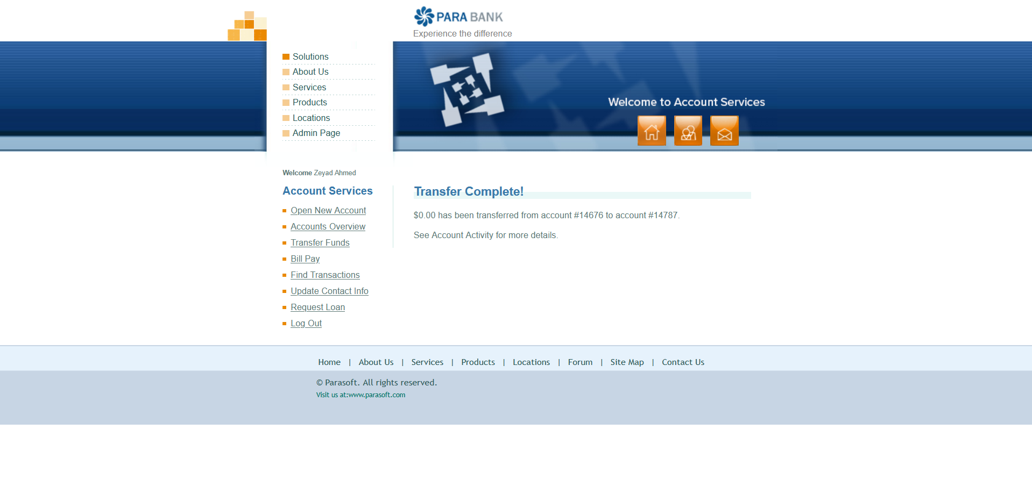 | Windows 11, version 23H2 Firefox 137.0.2 (64-bit) | Ahmed Mahmoud
Req_Transfer Funds_US2 | TC_049 | Verify Transfer Funds With same account selected for both | 1. Login. 2. Navigate to Transfer Funds. 3. Enter valid amount value. 4. Select same accounts. 5. Click Transfer. | Amount: "100 " From: "28218" To: "28218" | Error message: “An internal error has occurred and has been logged.” | 1-transfer successfully 2-transfer complete | failed |  | Windows 11, version 23H2 Firefox 137.0.2 (64-bit) | Ahmed Mahmoud
Req_Transfer Funds_US2 | TC_050 | Verify Transfer Funds With successful transfer of valid amount and valid accounts | 1. Login. 2. Navigate to Transfer Funds. 3. Enter valid amount value. 4. Select different accounts. 5. Click Transfer. | Amount: "100 " From: "28218" To: "28219" | Confirmation message appears: "Transfer Complete!" | 1-transfer successfully 2-transfer complete | passed |  | Windows 11, version 23H2 Firefox 137.0.2 (64-bit) | Ahmed Mahmoud
Req_TransactionHistory_004 | TC_051 | Displaying Transactions by Selecting an Account | 1. Login with valid credentials 2. Click 'Accounts Overview' 3. Select an account number (link) 4. Verify the transaction table appears | 1- Username :mostafashaban 2-Password :Shaban*52 | Table shows Date, Description, Amount, Balance; Transactions are listed from latest to oldest | Table displayed as expected | Pass |  | Windows 11, version 23H2 Firefox 137.0.2 (64-bit) | Mustafa Shabaan
Req_TransactionHistory_004 | TC_052 | Searching by Valid Transaction ID | 1.Select an account 2.Enter a valid Transaction ID 3. Click 'Find Transactions' | 1- Username :mostafashaban 2-Password :Shaban*52 3-Select an account: 14676 | Displays the transaction with the entered ID | Error! An internal error has occurred and has been logged. | Fail |  | Windows 11, version 23H2 Firefox 137.0.2 (64-bit) | Mustafa Shabaan
Req_TransactionHistory_004 | TC_053 | Search by Invalid Transaction ID | 1.Select an account 2.Enter a Invalid Transaction ID 3. Click 'Find Transactions' | 1- Username :mostafashaban 2-Password :Shaban*52 3-Select an account: 14676 4-Enter a Invalid Transaction ID:00000 | No results, shows 'No transactions found' | No transactions found message displayed | Pass |  | Windows 11, version 23H2 Firefox 137.0.2 (64-bit) | Mustafa Shabaan
Req_TransactionHistory_004 | TC_054 | Search for a Valid Date | 1.Select an account 2 Enter a valid date 3. Click 'Find Transactions' | 1- Username :mostafashaban 2-Password :Shaban*52 3-Select an account: 14676 4- Enter a valid date : 20-05-2024 | Shows transactions from the entered date | Filtered transactions displayed | Pass |  | Windows 11, version 23H2 Firefox 137.0.2 (64-bit) | Mustafa Shabaan
Req_TransactionHistory_004 | TC_055 | Search by Old/Unavailable Date | 1.Select an account 2. Enter a Invalid date 3. Click 'Find Transactions' | 1- Username :mostafashaban 2-Password :Shaban*52 3-Select an account: 14676 4-Enter an Invalid date : 01/01/1990 | No results, shows 'Invalid date format' | message displayed | Pass |  | Windows 11, version 23H2 Firefox 137.0.2 (64-bit) | Mustafa Shabaan
Req_TransactionHistory_004 | TC_056 | Search by Date Range | 1.Select an account 2. Enter a Date Range 3. Click 'Find Transactions' | 1- Username :mostafashaban 2-Password :Shaban*52 3-Select an account: 14676 4-Enter From Date and To Date | Shows transactions between specified dates | Correct filtered transactions displayed | Pass |  | Windows 11, version 23H2 Firefox 137.0.2 (64-bit) | Mustafa Shabaan
Req_TransactionHistory_004 | TC_057 | Search for a Specific Amount | 1.Select an account 2. Enter a Amount 3. Click 'Find Transactions' | 1- Username :mostafashaban 2-Password :Shaban*52 3-Select an account: 14676 4-Enter a specific amount | Displays only transactions with the entered amount | Correct transactions displayed | Pass |  | Windows 11, version 23H2 Firefox 137.0.2 (64-bit) | Mustafa Shabaan
Req_PayBill_005 | TC_058 | Successful Bill Payment with Valid Input | 1. Log in with vaild username and password 2. Go to 'Bill Pay' 3. Fill all fields with valid data 4. Click 'Send Payment' | 1- Username :mostafashaban 2-Password :Shaban*52 3-Payee Name: Mostafa Shaban 4-Address: egeg 5-City: obour 6-State: 122 7-Zip Code: 05 8-Phone : 01225545749 9-Account #: 14676 10-Verify Account #: 14676 11-Amount: $ 200 12-From account #: 14676 | Bill Payment to Mostafa Shaban in the amount of $200.00 from account 14676 was successful. | Payment completed and confirmation displayed | Pass |  | Windows 11, version 23H2 Firefox 137.0.2 (64-bit) | Mustafa Shabaan
Req_PayBill_005 | TC_059 | Missing Payee Name | 1. Log in with vaild username and password 2. Go to 'Bill Pay' 3. Leave Payee Name blank 4. Fill other fields 5. Click 'Send Payment' | 1- Username :mostafashaban 2-Password :Shaban*52 3-Payee Name: 4-Address: egeg 5-City: obour 6-State: 122 7-Zip Code: 05 8-Phone : 01225545749 9-Account #: 14676 10-Verify Account #: 14676 11-Amount: $ 200 12-From account #: 14676 | Error message: Payee name is required. | Error displayed: 'Payee Name is required' | Pass |  | Windows 11, version 23H2 Firefox 137.0.2 (64-bit) | Mustafa Shabaan
Req_PayBill_005 | TC_060 | Account Number Mismatch | 1. Log in with vaild username and password 2. Go to 'Bill Pay' 3. Enter mismatched Account 4. Fill other fields 5. Click 'Send Payment' | 1- Username :mostafashaban 2-Password :Shaban*52 3-Payee Name: Mostafa Shaban 4-Address: egeg 5-City: obour 6-State: 122 7-Zip Code: 05 8-Phone : 01225545749 9-Account #: 14666 10-Verify Account #: 14676 11-Amount: $ 200 12-From account #: 14676 | Error message: 'Account numbers do not match' | The account numbers do not match. | Pass |  | Windows 11, version 23H2 Firefox 137.0.2 (64-bit) | Mustafa Shabaan
Req_PayBill_005 | TC_061 | Invalid Phone Number Format | 1. Log in with vaild username and password 2. Go to 'Bill Pay' 3. Enter invalid phone 4. Fill other fields 5. Click 'Send Payment' | 1- Username :mostafashaban 2-Password :Shaban*52 3-Payee Name: Mostafa Shaban 4-Address: egeg 5-City: obour 6-State: 122 7-Zip Code: 05 8-Phone : 11225545749 9-Account #: 14676 10-Verify Account #: 14676 11-Amount: $ 200 12-From account #: 14676 | Error message: Invalid phone format | Bill Payment to Mostafa Shaban in the amount of $200.00 from account 14676 was successful. | Fail |  | Windows 11, version 23H2 Firefox 137.0.2 (64-bit) | Mustafa Shabaan
Req_PayBill_005 | TC_062 | Negative Payment Amount | 1. Log in with vaild username and password 2. Go to 'Bill Pay' 3. Enter *100 as amount 4. Fill other fields 5. Click 'Send Payment' | 1- Username :mostafashaban 2-Password :Shaban*52 3-Payee Name: Mostafa Shaban 4-Address: egeg 5-City: obour 6-State: 122 7-Zip Code: 05 8-Phone : 01225545749 9-Account #: 14676 10-Verify Account #: 14676 11-Amount: *100 12-From account #: 14676 | Error: Please enter a valid amount. | Please enter a valid amount. | Pass |  | Windows 11, version 23H2 Firefox 137.0.2 (64-bit) | Mustafa Shabaan
Req_PayBill_005 | TC_063 | Missing Payment Amount | 1. Log in with vaild username and password 2. Go to 'Bill Pay' 3. Leave amount field blank 4. Fill other fields 5. Click 'Send Payment' | 1- Username :mostafashaban 2-Password :Shaban*52 3-Payee Name: Mostafa Shaban 4-Address: egeg 5-City: obour 6-State: 122 7-Zip Code: 05 8-Phone : 01225545749 9-Account #: 14676 10-Verify Account #: 14676 11-Amount: $ 200 12-From account #: 14676 | Error: The amount cannot be empty | Error displayed: The amount cannot be empty | Pass |  | Windows 11, version 23H2 Firefox 137.0.2 (64-bit) | Mustafa Shabaan
Req_PayBill_005 | TC_064 | Missing Address | 1. Log in with vaild username and password 2. Go to 'Bill Pay' 3. Leave Address field blank 4. Fill other fields 5. Click 'Send Payment' | 1- Username :mostafashaban 2-Password :Shaban*52 3-Payee Name: Mostafa Shaban 4-Address: 5-City: obour 6-State: 122 7-Zip Code: 05 8-Phone : 01225545749 9-Account #: 14676 10-Verify Account #: 14676 11-Amount: $ 200 12-From account #: 14676 | Error: Address is required | Error: Address is required | Pass |  | Windows 11, version 23H2 Firefox 137.0.2 (64-bit) | Mustafa Shabaan
Req_PayBill_005 | TC_065 | Missing City | 1. Log in with vaild username and password 2. Go to 'Bill Pay' 3. Leave City field blank 4. Fill other fields 5. Click 'Send Payment' | 1- Username :mostafashaban 2-Password :Shaban*52 3-Payee Name: Mostafa Shaban 4-Address: egeg 5-City: 6-State: 122 7-Zip Code: 05 8-Phone : 01225545749 9-Account #: 14676 10-Verify Account #: 14676 11-Amount: $ 200 12-From account #: 14676 | Error :City is required. | Error :City is required. | Pass |  | Windows 11, version 23H2 Firefox 137.0.2 (64-bit) | Mustafa Shabaan
Req_PayBill_005 | TC_066 | Missing State | 1. Log in with vaild username and password 2. Go to 'Bill Pay' 3. Leave State field blank 4. Fill other fields 5. Click 'Send Payment' | 1- Username :mostafashaban 2-Password :Shaban*52 3-Payee Name: Mostafa Shaban 4-Address: egeg 5-City: obour 6-State: 7-Zip Code: 05 8-Phone : 01225545749 9-Account #: 14676 10-Verify Account #: 14676 11-Amount: $ 200 12-From account #: 14676 | Error: State is required. | Error: State is required. | Pass |  | Windows 11, version 23H2 Firefox 137.0.2 (64-bit) | Mustafa Shabaan
Req_PayBill_005 | TC_067 | Missing Zip Code | 1. Log in with vaild username and password 2. Go to 'Bill Pay' 3. Leave Zip Code field blank 4. Fill other fields 5. Click 'Send Payment' | 1- Username :mostafashaban 2-Password :Shaban*52 3-Payee Name: Mostafa Shaban 4-Address: egeg 5-City: obour 6-State: 122 7-Zip Code: 8-Phone : 01225545749 9-Account #: 14676 10-Verify Account #: 14676 11-Amount: $ 200 12-From account #: 14676 | Error: Zip Code is required. | Error: Zip Code is required. | Pass |  | Windows 11, version 23H2 Firefox 137.0.2 (64-bit) | Mustafa Shabaan
Req_open a New account_US4 | TC_068 | Verify Error Message When First Name Field Is Left Blank During Registration | 1. Open the registration page. 2. Leave the First Name field blank. 3. Enter valid data for other fields. 4. Click "Register." | First Name: "" Last Name: "osama" Address: "Elshorouk" City: "Cairo" State:"Cairo" Zip Code: "47771" Phone: "01281969989" SSN: "123456789" Username: "andrew" Password: "123456789" Confirm Password: "123456789" | An error occurs, and registration fails. | An error message should appear indicating that the "First Name" field is required | Passed |  | Windows 11, version 23H2 Firefox 137.0.2 (64-bit) | Andrew
Req_open a New account_US4 | TC_069 | Verify Error When First Name Contains Numbers | 1. Open the registration page. 2. Enter a First Name with numbers. 3. Enter valid data for other fields. 4. Click "Register." | First Name: "Andrew123" Last Name: "Osama" Address: "Elshorouk" City: "Cairo" State: "Cairo" Zip Code: "47771" Phone: "01281969989" SSN: "123456789" Username: "andrew" Password: "123456789" Confirm Password: "123456789 | An error occurs, and registration fails. | An error message should appear indicating that the "First Name" should only contain letters | failed |  | Windows 11, version 23H2 Firefox 137.0.2 (64-bit) | Andrew
Req_open a New account_US4 | TC_070 | Verify Error When First Name Contains Special Characters | 1. Open the registration page. 2. Enter a First Name with special characters. 3. Enter valid data for other fields. 4. Click "Register." | First Name: "Andrew#" Last Name: "Osama" Address: "Elshorouk" City: "Cairo" State: "Cairo" Zip Code: "47771" Phone: "01281969989" SSN: "123456789" Username: "andrew" Password: "123456789" Confirm Password: "123456789" | An error occurs, and registration fails. | An error message should appear indicating that the "First Name" should only contain letters. | failed |  | Windows 11, version 23H2 Firefox 137.0.2 (64-bit) | Andrew
Req_open a New account_US4 | TC_071 | Verify Error When First Name Exceeds Maximum Length | 1. Open the registration page. 2. Enter a First Name longer than 50 characters. 3. Enter valid data for other fields. 4. Click "Register." | First Name: "Andrewandrewandrewandrew" Last Name: "Osama" Address: "Elshorouk" City: "Cairo" State: "Cairo" Zip Code: "47771" Phone: "01281969989" SSN: "123456789" Username: "andrew" Password: "123456789" Confirm Password: "123456789 | An error occurs, and registration fails. | An error message should appear indicating that the "First Name" exceeds the maximum allowed length (50 characters). | failed |  | Windows 11, version 23H2 Firefox 137.0.2 (64-bit) | Andrew
Req_open a New account_US4 | TC_072 | Verify Error When Last Name Field Is Left Blank During Registration | 1. Open the registration page. 2. Leave the Last Name field blank. 3. Enter valid data for other fields. 4. Click "Register." | First Name: "Andrew" Last Name: "" Address: "Elshorouk" City: "Cairo" State: "Cairo" Zip Code: "47771" Phone: "01281969989" SSN: "123456789" Username: "andrew" Password: "123456789" Confirm Password: "123456789" | An error occurs, and registration fails. | An error message should appear indicating that the "Last Name" field is required. | pass |  | Windows 11, version 23H2 Firefox 137.0.2 (64-bit) | Andrew
Req_open a New account_US4 | TC_073 | Verify Error When Last Name Contains Numbers | 1. Open the registration page. 2. Enter a Last Name with numbers (e.g., "Ahmed123"). 3. Enter valid data for other fields. 4. Click "Register." | First Name: "Andrew" Last Name: "Osama123" Address: "Elshorouk" City: "Cairo" State: "Cairo" Zip Code: "47771" Phone: "01281969989" SSN: "123456789" Username: "andrew" Password: "123456789" Confirm Password: "123456789 | An error occurs, and registration fails. | An error message should appear indicating that the "Last Name" should only contain letters | failed |  | Windows 11, version 23H2 Firefox 137.0.2 (64-bit) | Andrew
Req_open a New account_US4 | TC_074 | Verify Error When Last Name Contains Special Characters | 1. Open the registration page. 2. Enter a Last Name with special characters . 3. Enter valid data for other fields. 4. Click "Register." | First Name: "Andrew" Last Name: "Osama##" Address: "Elshorouk" City: "Cairo" State: "Cairo" Zip Code: "47771" Phone: "01281969989" SSN: "123456789" Username: "andrew" Password: "123456789" Confirm Password: "123456789 | An error occurs, and registration fails. | An error message should appear indicating that the "Last Name" should only contain letters. | failed |  | Windows 11, version 23H2 Firefox 137.0.2 (64-bit) | Andrew
Req_open a New account_US4 | TC_075 | Verify Error When Last Name Exceeds Maximum Length | 1. Open the registration page. 2. Enter a Last Name longer than 50 characters. 3. Enter valid data for other fields. 4. Click "Register." | First Name: "Andrew" Last Name: "Osamaosamaosamaosmaosama" Address: "Elshorouk" City: "Cairo" State: "Cairo" Zip Code: "47771" Phone: "01281969989" SSN: "123456789" Username: "andrew" Password: "123456789" Confirm Password: "123456789 | An error occurs, and registration fails. | An error message should appear indicating that the "Last Name" exceeds the maximum allowed length (50 characters). | failed |  | Windows 11, version 23H2 Firefox 137.0.2 (64-bit) | Andrew
Req_open a New account_US4 | TC_076 | Verify Error When Address Field Is Left Blank During Registration | 1. Open the registration page. 2. Leave the Address field blank. 3. Enter valid data for other fields. 4. Click "Register." | First Name: "Andrew" Last Name: "Osama" Address: "" City: "Cairo" State: "Cairo" Zip Code: "47771" Phone: "01281969989" SSN: "123456789" Username: "andrew" Password: "123456789" Confirm Password: "123456789 | An error occurs, and registration fails. | An error message should appear indicating that the "Address" field is required. | pass |  | Windows 11, version 23H2 Firefox 137.0.2 (64-bit) | Andrew
Req_open a New account_US4 | TC_077 | Verify Error When Address Exceeds Maximum Length | 1. Open the registration page. 2. Enter an Address longer than 100 characters. 3. Enter valid data for other fields. 4. Click "Register." | First Name: "Andrew" Last Name: "Osama" Address: "Elshorouk street 15 blook 75 floor2" City: "Cairo" State: "Cairo" Zip Code: "47771" Phone: "01281969989" SSN: "123456789" Username: "andrew" Password: "123456789" Confirm Password: "123456789 | An error occurs, and registration fails. | An error message should appear indicating that the "Address" exceeds the maximum allowed length (100 characters). | failed |  | Windows 11, version 23H2 Firefox 137.0.2 (64-bit) | Andrew
Req_open a New account_US4 | TC_078 | Verify Error When City Field Is Left Blank During Registration | 1. Open the registration page. 2. Leave the City field blank. 3. Enter valid data for other fields. 4. Click "Register." | First Name: "Andrew" Last Name: "Osama" Address: "Elshorouk" City: "" State: "Cairo" Zip Code: "47771" Phone: "01281969989" SSN: "123456789" Username: "andrew" Password: "123456789" Confirm Password: "123456789 | An error occurs, and registration fails. | An error message should appear indicating that the "City" field is required. | Passed |  | Windows 11, version 23H2 Firefox 137.0.2 (64-bit) | Andrew
Req_open a New account_US4 | TC_079 | Verify Error When City Exceeds Maximum Length | 1. Open the registration page. 2. Enter a City longer than 100 characters. 3. Enter valid data for other fields. 4. Click "Register." | First Name: "Andrew" Last Name: "Osama" Address: "Elshorouk" City: "Elshorouk Elshorouk Elshorouk" State: "Cairo" Zip Code: "47771" Phone: "01281969989" SSN: "123456789" Username: "andrew" Password: "123456789" Confirm Password: "123456789 | An error occurs, and registration fails. | An error message should appear indicating that the "City" exceeds the maximum allowed length (100 characters). | failed |  | Windows 11, version 23H2 Firefox 137.0.2 (64-bit) | Andrew
Req_open a New account_US4 | TC_080 | Verify Error When State Contains Numbers | 1. Open the registration page.<br> 2. Enter a State with numbers . 3. Enter valid data for other fields. 4. Click "Register." | First Name: "Andrew" Last Name: "Osama" Address: "Elshorouk" City: "Cairo" State: "Cairo123" Zip Code: "47771" Phone: "01281969989" SSN: "123456789" Username: "andrew" Password: "123456789" Confirm Password: "123456789 | An error occurs, and registration fails. | An error message should appear indicating that the "State" should only contain letters. | failed |  | Windows 11, version 23H2 Firefox 137.0.2 (64-bit) | Andrew
Req_open a New account_US4 | TC_081 | Verify Error When State Contains Special Characters | 1. Open the registration page. 2. Enter a State with special characters . 3. Enter valid data for other fields. 4. Click "Register." | First Name: "Andrew" Last Name: "Osama" Address: "Elshorouk" City: "Cairo" State: "Cairo##" Zip Code: "47771" Phone: "01281969989" SSN: "123456789" Username: "andrew" Password: "123456789" Confirm Password: "123456789 | An error occurs, and registration fails. | An error message should appear indicating that the "State" should only contain letters. | failed |  | Windows 11, version 23H2 Firefox 137.0.2 (64-bit) | Andrew
Req_open a New account_US4 | TC_082 | Verify when open new accoun saving | 1-open PARA Bank 2-Go to the registeration 3-open new account 4-Choose saving. 5-Enter a open account | First Name: "Andrew123" Last Name: "Osama" Address: "Elshorouk" City: "Cairo" State: "Cairo" Zip Code: "47771" Phone: "01281969989" SSN: "123456789" Username: "andrew" Password: "123456789" Confirm Password: "123456789 saving open new account | open a new account | Account creation should fail due to invalid "First Name" (contains numbers). An appropriate error message should be displayed. | fail |  | Windows 11, version 23H2 Firefox 137.0.2 (64-bit) | Andrew
Req_open a New account_US4 | TC_083 | Verify when open new accoun cheking | 1-open PARA Bank 2-Go to the registeration 3-open new account 4-Choose checking. 5-Enter a open account . | First Name: "Andrew123" Last Name: "Osama" Address: "Elshorouk" City: "Cairo" State: "Cairo" Zip Code: "47771" Phone: "01281969989" SSN: "123456789" Username: "andrew" Password: "123456789" Confirm Password: "123456789 checking open new accoun | successful open new account | Account creation should fail due to invalid "First Name" (contains numbers). An appropriate error message should be displayed. | pass |  | Windows 11, version 23H2 Firefox 137.0.2 (64-bit) | Andrew
Req_open a New account_US4 | TC_084 | verify when account activate | 1-open PARA Bank 2-Go to the registeration 3-open new account 4-Choose checking. 5-Enter a open account 6-activity period 7-type | First Name: "Andrew123" Last Name: "Osama" Address: "Elshorouk" City: "Cairo" State: "Cairo" Zip Code: "47771" Phone: "01281969989" SSN: "123456789" Username: "andrew" Password: "123456789" Confirm Password: "123456789 checking open new accoun january debit | no tarnsaction found | Account creation should fail due to invalid "First Name" (contains numbers). An appropriate error message should be displayed. | pass |  | Windows 11, version 23H2 Firefox 137.0.2 (64-bit) | Andrew
Req_open a New account_US4 | TC_085 | Verify when open new accoun cheking snd check balance and available | 1-open PARA Bank 2-Go to the registeration 3-open new account 4-Choose checking. 5-Enter a open account | First Name: "Andrew123" Last Name: "Osama" Address: "Elshorouk" City: "Cairo" State: "Cairo" Zip Code: "47771" Phone: "01281969989" SSN: "123456789" Username: "andrew" Password: "123456789" Confirm Password: "123456789 checking open new accoun blance :100$ avilable :100$ | no error | Account creation should fail due to invalid "First Name" (contains numbers). An appropriate error message should be displayed. | pass |  | Windows 11, version 23H2 Firefox 137.0.2 (64-bit) | Andrew
Req_open a New account_US4 | TC_086 | verify to cahge balance or avilable when open new account | 1-open PARA Bank 2-Go to the registeration 3-open new account 4-Choose checking. 5-Enter a open account | First Name: "Andrew123" Last Name: "Osama" Address: "Elshorouk" City: "Cairo" State: "Cairo" Zip Code: "47771" Phone: "01281969989" SSN: "123456789" Username: "andrew" Password: "123456789" Confirm Password: "123456789 checking open new accoun blance :0$ avilable :10$ | can't change any one of them | Account creation should fail due to invalid "First Name" (contains numbers). An appropriate error message should be displayed. | pass |  | Windows 11, version 23H2 Firefox 137.0.2 (64-bit) | Andrew
Req_open a New account_US4 | TC_087 | verify assocunt over view when make anew account | "1-open PARA Bank 2-Go to the registeration 3-open new account 4-Choose checking. 5-Enter a open account 6-activity period 7-type 8- account over view | First Name: "Andrew Last Name : "Osama" rew123" Address: "Elshorouk" City: "Cairo" State: "Cairo" Zip Code: "47771" Phone: "01281969989" SSN: "123456789" Username: "andrew" Password: "123456789" Confirm Password: "123456789 checking open new accoun january debit | can see all your account | Account creation should fail due to invalid "First Name" (contains numbers). An appropriate error message should be displayed. | fail |  | Windows 11, version 23H2 Firefox 137.0.2 (64-bit) | Andrew
Req_open a New account_US4 | TC_088 | verify the transfer funds to when open new account | 1-login with user name and your password 2- select cheching 3- transfer funds 4-amount 5-from 6-to | First Name: "Andrew " Last Name : "Osama" select ckecking amount:100 from : 13677 to :13788 | the transfer is done with no error | Assuming the account was created successfully (despite the invalid first name in the test case description - this might be an error in the test case itself), the transfer of $100 from account 13677 to 13788 should be successful. | PASS (assuming prior successful account creation) |  | Windows 11, version 23H2 Firefox 137.0.2 (64-bit) | Andrew
Req_open a New account_US4 | TC_089 | verify the transfer funds to when open new account but the balance 0 | "1-login with user name and your password 2- select cheching 3- transfer funds 4-amount 5-from 6-to " | First Name: "Andrew " Last Name : "Osama" select ckecking amount:100 from : 13677 to :13788 | the transfer is done with no error but no funds sent | Assuming the account was created successfully, the transfer should still be initiated without error, but the actual fund transfer would not occur due to insufficient balance. A message indicating this might be displayed. | PASS (transfer initiated, no funds moved) |  | Windows 11, version 23H2 Firefox 137.0.2 (64-bit) | Andrew
Req_open a New account_US4 | TC_090 | verify the transfer funds to send and recive from the same account when open new account | "1-login with user name and your password 2- select cheching 3- transfer funds 4-amount 5-from 6-to " | First Name: "Andrew " Last Name : "Osama" select ckecking amount:100 from : 13677 to :13677 | the message has been transfer this error | Assuming the account was created successfully, a message or error should appear indicating that transferring funds to the same account is not allowed. | pass |  | Windows 11, version 23H2 Firefox 137.0.2 (64-bit) | Andrew
Req_open a New account_US4 | TC_091 | verify the transfer funds to send and recive from the same account but no enter amount when open new account | "1-login with user name and your password 2- select cheching 3- transfer funds 4-amount 5-from 6-to " | First Name: "Andrew " Last Name : "Osama" select ckecking amount: from : 13677 to :13677 | An internal error has occurred and has been logged. | Assuming the account was created successfully, an error message should appear indicating that the "Amount" field is required. | pass |  | Windows 11, version 23H2 Firefox 137.0.2 (64-bit) | Andrew
Req_open a New account_US4 | TC_092 | verify the transfer funds to send a negative amount when open new account | "1-login with user name and your password 2- select cheching 3- transfer funds 4-amount 5-from 6-to " | First Name: "Andrew " Last Name : "Osama" select ckecking amount:-100 from : 13677 to :13788 | has been transferred | Assuming the account was created successfully, an error message should appear indicating that the transfer amount cannot be negative. | pass |  | Windows 11, version 23H2 Firefox 137.0.2 (64-bit) | Andrew
Req_open a New account_US4 | TC_093 | verify the transfer funds to send a acharachter amount when open new account | "1-login with user name and your password 2- select cheching 3- transfer funds 4-amount 5-from 6-to " | First Name: "Andrew " Last Name : "Osama" select ckecking amount:-100# from : 13677 to :13788 | An internal error has occurred and has been logged. | Assuming the account was created successfully, an error message should appear indicating that the transfer amount must be a valid number. | pass |  | Windows 11, version 23H2 Firefox 137.0.2 (64-bit) | Andrew
Req_open a New account_US4 | TC_094 | verify to update a profile after make a new account change first name | 1-login with user name and your password 2- select cheching 3- update profile | First Name:Andy Last Name: Osama Address: Shrouk City: cairo State: asawan Zip Code: 02 Phone #:01281969989 | Your updated address and phone number have been added to the system. | The "First Name" should be successfully updated to "Andy". A confirmation message: "Your updated information has been saved" (or similar) should be displayed. | pass |  | Windows 11, version 23H2 Firefox 137.0.2 (64-bit) | Andrew
Req_open a New account_US4 | TC_095 | verify to update a profile after make a new account change first name to empty | 1-login with user name and your password 2- select cheching 3- update profile | First Name: Last Name: Osama Address: Shrouk City: cairo State: asawan Zip Code: 02 Phone #:01281969989 | First name is required | An error message should appear indicating that the "First Name" is required. | pass |  | Windows 11, version 23H2 Firefox 137.0.2 (64-bit) | Andrew
Req_open a New account_US4 | TC_096 | verify to update a profile after make a new account change lsst name to empty | 1-login with user name and your password 2- select cheching 3- update profile | First Name:Andy Last Name:osama Address: Shrouk City: cairo State: asawan Zip Code: 02 Phone #:01281969989 | last name is required | An error message should appear indicating that the "Last Name" is required. | pass |  | Windows 11, version 23H2 Firefox 137.0.2 (64-bit) | Andrew
Req_open a New account_US4 | TC_097 | verify to update a profile after make a new account change add to empty | 1-login with user name and your password 2- select cheching 3- update profile | First Name:Andy Last Name:osama Address: City: cairo State: asawan Zip Code: 02 Phone #:01281969989 | address is required | An error message should appear indicating that the "Address" is required. | pass |  | Windows 11, version 23H2 Firefox 137.0.2 (64-bit) | Andrew
Req_open a New account_US4 | TC_098 | verify to update a profile after make a new account change state to empty | 1-login with user name and your password 2- select cheching 3- update profile | First Name:Andy Last Name:osama Address: Shrouk City: cairo State: Zip Code: 02 Phone #:01281969989 | state is required | An error message should appear indicating that the "State" is required. | pass |  | Windows 11, version 23H2 Firefox 137.0.2 (64-bit) | Andrew
Req_open a New account_US4 | TC_099 | verify to update a profile after make a new account change phone to empty | 1-login with user name and your password 2- select cheching 3- update profile | First Name:Andy Last Name:osama Address: Shrouk City: cairo State: asawan Zip Code: 02 Phone #: | phone is required | An error message should appear indicating that the "Phone #" is required. | pass |  | Windows 11, version 23H2 Firefox 137.0.2 (64-bit) | Andrew

